Case #1
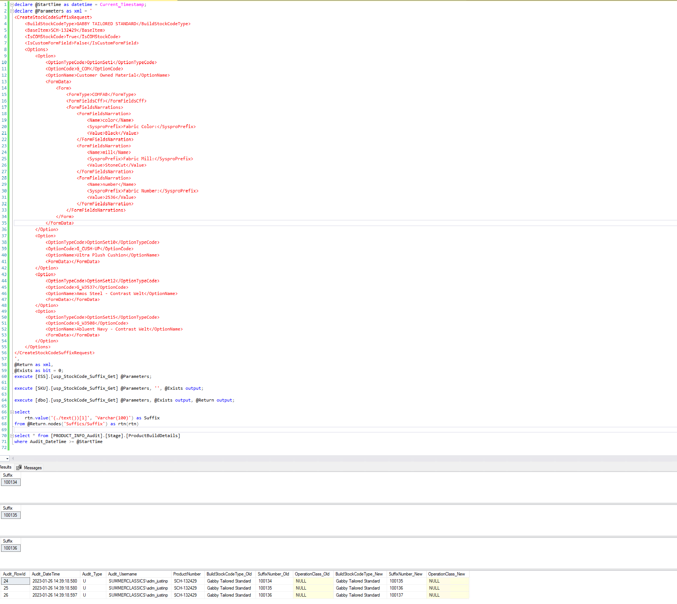
Justin Pope Dev Test
Test Case No. | 1
Process | Test new procedures
Test Consideration | SQL Server Management Studio
Test Condition |  | Data Used | How To Verify | Actual Results
Tasks
1 | Test Script: tests the following procedures [SKU].[usp_StockCode_Suffix_Get] [ESS].[usp_StockCode_Suffix_Get] [dbo].[usp_StockCode_Suffix_Get] | dev data | query database, and no errors | Screen shot below
Configuration/Data Setup for Testing Scenario
Verification

Test Cast Screens Shots Before and After

